Hiearchy View
CLASS: RECORD
a document that includes information regarding each repair and maintenance work that is done on asset or equipment. |  | 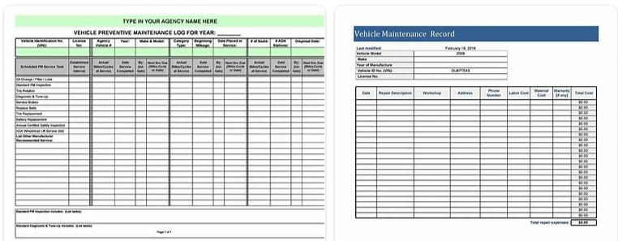
REMOVE | N

PROBLEM_DESC | CAUSE_DESC | REMEDY_DESC
ALARM/SENSOR
BROKEN/DAMAGED
OTHER PROBLEM
OVERHEATING
POWER-ELEC
STOPPED/SLOWED/POOR OPS
VIBRATION
Grand Total

